Resource-Map
Interactive Mapping Tool
Needs Assessment Outreach Tool

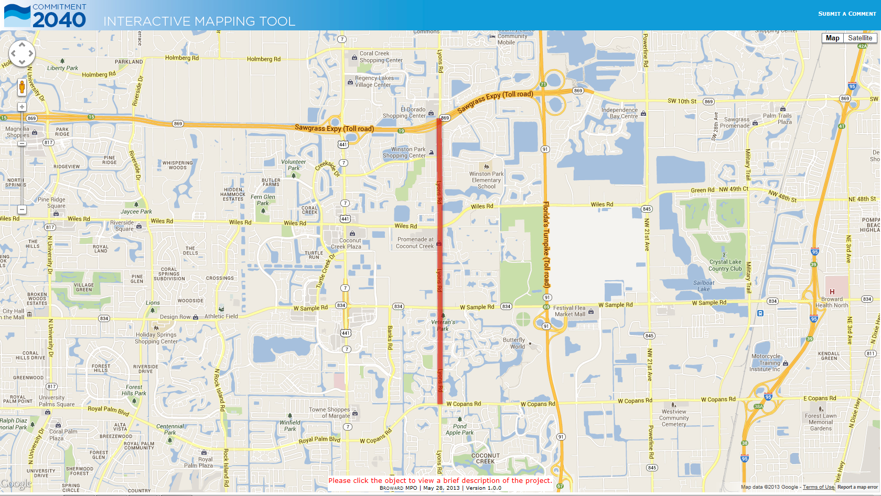

Use hyperlink "Submit A Comment" to send comments regarding an issue with the project or the interactive mapping tool via email.

Use toggles switch between the map and satellite backgrounds.

Click the project to view a brief description of the project.

r

