Resource-Map
Interactive Mapping Tool
This is NOT the Interactive Mapping Tool, please see Column "M" in "Step 2" for individual project maps

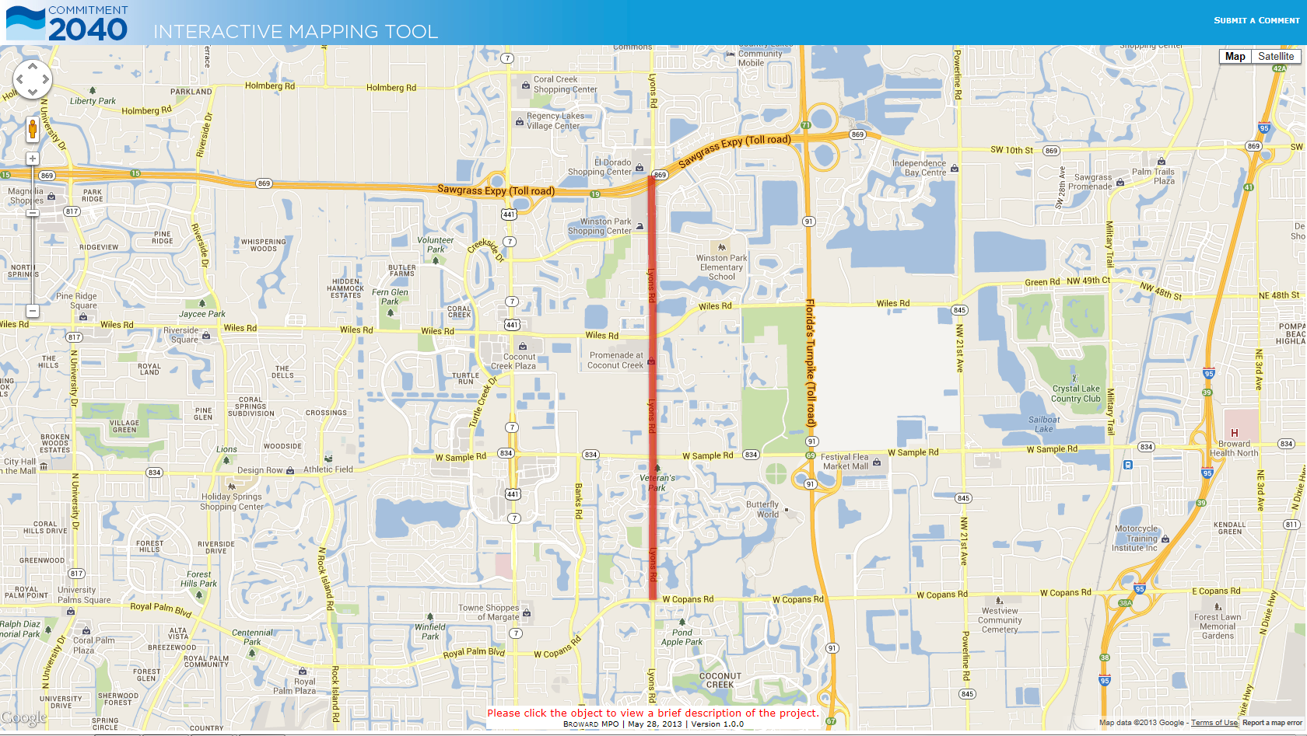

Use hyperlink "Submit A Comment" to send comments regarding an issue with the project or the interactive mapping tool via email.

Use toggles switch between the map and satellite backgrounds.

Click the project to view a brief description of the project.

r

